Depreciation Calculator
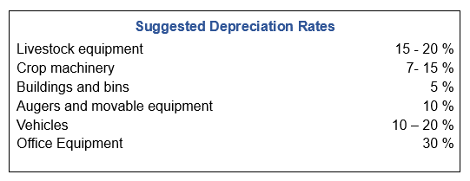
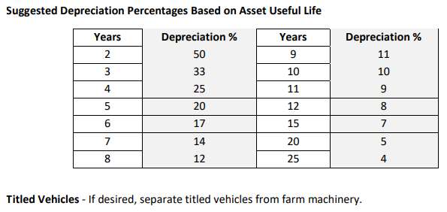
Depreciation Calculator
 | (Enter Below) | (Enter Below) | (Enter Below) | (Enter Below) | Depreciation Value
 | Depreciation Rate | Beginning Year Value | Purchases | Sales | (Beginning Year Value + Purchases - Sales) x Depreciation Rate
Machinery and equipment | 0% | $- | $- | $- | $-
Titled vehicles | 0% | $- | $- | $- | $-
Buildings and improvement | 0% | $- | $- | $- | $-
Total depreciation |  |  |  |  | $-

 |  |  | Provided by University of Minnesota and the Center for Farm Financial Management

